Hoja1
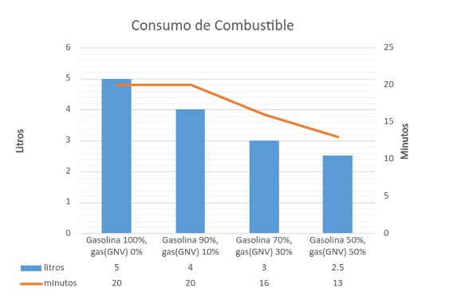
C02 gas natural
1.01 | 0.7898
1.03 | 0.8778
1.05 | 0.8976
1.1 | 0.9245
1.5 | 0.925

co2 Metano
1.01 | 0.9345
1.03 | 0.9467
1.05 | 0.9547
1.1 | 0.9898
1.5 | 0.9978

CO2 BIOGASES
1.01 | 1.078
1.03 | 1.098
1.05 | 1.1233
1.1 | 1.5688
1.5 | 1.8967

SO2 BIOGASES
1.01 | 0.00312
1.03 | 0.00325
1.05 | 0.00354
1.1 | 0.00357
1.5 | 0.00398

 | 5 L
Gasolina90%, gas(GNV) 10% | 4 L
Gasolina 70%, gas (GNV) 30% | 3 L
Gasolina 50%, gas (GNV) 50% | 2.5 L

Minutos que dura encendido el Motor
 | 20 min
Gasolina 90%, GNV 10% | 20 min

Emisiones de CO
 | gasolina | gas 70-30 | gas 50-50 | gasolina | gas 70-30 | gas 50-50
1000 rpm | 4.3 | 2.4 | 2 | 4.3 | 2.4 | 2
1500 rpm | 2.5 | 4.4 | 2 | 2.5 | 4.4 | 2
2000 rpm | 3.5 | 1.8 | 3 | 3.5 | 1.8 | 3
2500 rpm | 4.5 | 2.8 | 5 | 4.5 | 2.8 | 5
gasolina | PPM | gas 70-30 |  | gas 50-50
1000 rpm | 2 | 1000 rpm | 4.2 | 1000 rpm | 2.2
1500 rpm | 2.3 | 1500 rpm | 2.6 | 1500 rpm | 4.3
2000 rpm | 3.2 | 2000 rpm | 3.7 | 2000 rpm | 1.8
2500 rpm | 5.1 | 2500 rpm | 5.4 | 2500 rpm | 2.2

gasolina | PPM | gas 70-30 |  | gas 50-50
1000 rpm | 2.3 | 1000 rpm | 4.5 | 1000 rpm | 2.2
1500 rpm | 2.6 | 1500 rpm | 3 | 1500 rpm | 4.3
2000 rpm | 3.5 | 2000 rpm | 4.2 | 2000 rpm | 1.8
2500 rpm | 5.4 | 2500 rpm | 6 | 2500 rpm | 2.2

Emisiones de CO2
 | gasolina | gas 70-30 | gas 50-50
1000 rpm | 4.3 | 2.4 | 2
1500 rpm | 2.5 | 4.4 | 2
2000 rpm | 3.5 | 1.8 | 3
2500 rpm | 4.5 | 2.8 | 5
 | gasolina | gas 70-30 | gas 50-50
1000 rpm | 4.35 | 2.48 | 2
1500 rpm | 2.52 | 4.44 | 2
2000 rpm | 3.52 | 1.85 | 3
2500 rpm | 4.55 | 2.81 | 5

 | gasolina | gas 70-30 | gas 50-50
1000 rpm | 4.3 | 2.4 | 2
1500 rpm | 2.5 | 4.4 | 2
2000 rpm | 3.5 | 1.8 | 3
2500 rpm | 4.5 | 2.8 | 5

